Sheet1
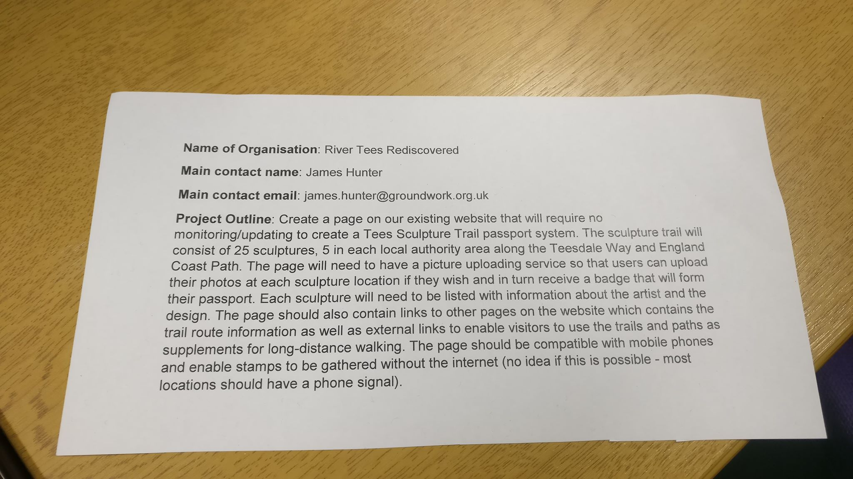
Problem | Ideas
Verifying Picture | QR Code, manual verification
Squarespace | Maybe have to convince them to buy premium
New Page | New squarespace tab, external link to new site
External Hosting | Convince to host our new page on different server and offer link
Offline Verification | Perhaps use an app to save images, or upload them later once you have internet access

